Individual items value
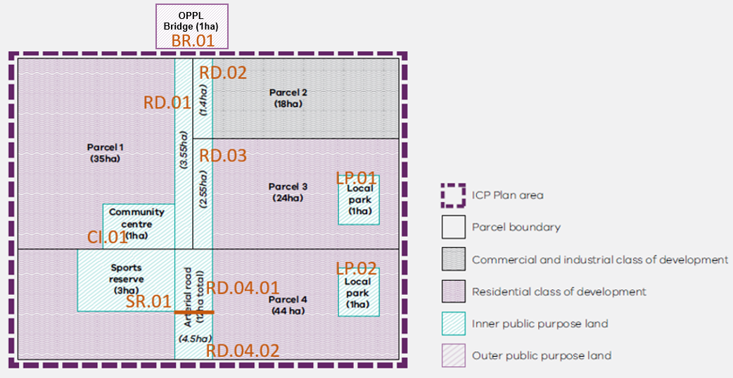
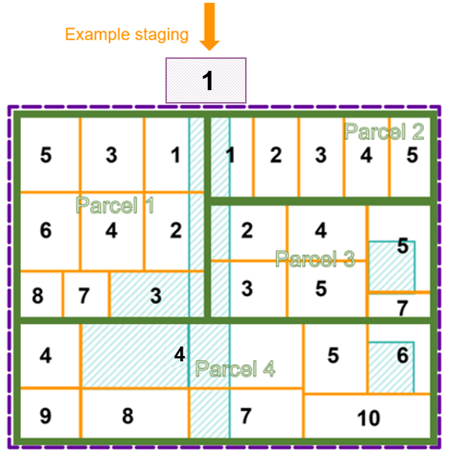
Manually insert public land indexation factor from DTP Website to override "Hypothetical Index" in row 2
 | Individual Land Projects |  |  |  |  | Hypothetical VGV Index | 1.05 | 1.05 | 1.07 | 1.05 | 1.05 | 1.07 | 1.05 | 1.05 | 1.07 | 1.05 | 1.05
 |  |  |  |  |  |  | Index Year | Index Year | Revaluation Year | Index Year | Index Year | Revaluation Year | Index Year | Index Year | Revaluation Year | Index Year | Index Year
 |  |  |  |  |  | Year 0 | Year 1 | Year 2 | Year 3 | Year 4 | Year 5 | Year 6 | Year 7 | Year 8 | Year 9 | Year 10 | Year 11
Year Acquired | Property | Ref | Name | Classification | area (ha) | 1-Jul-25 | 1-Jul-26 | 1-Jul-27 | 1-Jul-28 | 1-Jul-29 | 1-Jul-30 | 1-Jul-31 | 1-Jul-32 | 1-Jul-33 | 1-Jul-34 | 1-Jul-35 | 1-Jul-36
n/a | P1 | CI.01 | Community Centre | C + R | 1 | N/A | N/A | N/A | N/A | N/A | N/A | N/A | N/A | N/A | N/A | N/A | N/A
n/a | P1 | RD.01 | Road | Transport | 3.55 | N/A | N/A | N/A | N/A | N/A | N/A | N/A | N/A | N/A | N/A | N/A | N/A
n/a | P2 | RD.02 | Road | Transport | 1.4 | N/A | N/A | N/A | N/A | N/A | N/A | N/A | N/A | N/A | N/A | N/A | N/A
n/a | P3 | RD.03 | Road | Transport | 2.55 | N/A | N/A | N/A | N/A | N/A | N/A | N/A | N/A | N/A | N/A | N/A | N/A
n/a | P3 | LP.01 | Local Park | C + R | 1 | N/A | N/A | N/A | N/A | N/A | N/A | N/A | N/A | N/A | N/A | N/A | N/A
Year 4 | P4 | SR.01 | Sports Reserve | C + R | 3 | 705,882 | 741,176 | 778,235 | 832,712 | 874,347 | 874,347 | 874,347 | 874,347 | 874,347 | 874,347 | 874,347 | 874,347
Year 4 | P4 | RD.04.01 | Road | Transport | 2.25 | 529,412 | 555,882 | 583,676 | 624,534 | 655,761 | 655,761 | 655,761 | 655,761 | 655,761 | 655,761 | 655,761 | 655,761
Year 7 | P4 | RD.04.02 | Road | Transport | 2.25 | 529,412 | 555,882 | 583,676 | 624,534 | 655,761 | 688,549 | 736,747 | 773,584 | 773,584 | 773,584 | 773,584 | 773,584
Year 6 | P4 | LP.02 | Local Park | C + R | 1 | 235,294 | 247,059 | 259,412 | 277,571 | 291,449 | 306,022 | 327,443 | 327,443 | 327,443 | 327,443 | 327,443 | 327,443
 | OPPL1 | BR.01 | Road | C + R | 1 | 1,500,000 | 1,500,000 | 1,500,000 | 1,500,000 | 1,500,000 | 1,500,000 | 1,500,000 | 1,500,000 | 1,500,000 | 1,500,000 | 1,500,000 | 1,500,000
 |  |  |  |  | Total LCA IPPL | 2,000,000 | 2,100,000 | 2,205,000 | 2,359,350 | 2,477,318 | 2,524,678 | 2,594,298 | 2,631,135 | 2,631,135 | 2,631,135 | 2,631,135 | 2,631,135
 |  |  |  |  | Total OPPL | 1,500,000 | 1,500,000 | 1,500,000 | 1,500,000 | 1,500,000 | 1,500,000 | 1,500,000 | 1,500,000 | 1,500,000 | 1,500,000 | 1,500,000 | 1,500,000
For OPPL, manually insert OPPL value calculated in accordance with Part 4 of LACA at time of acquisition.
For a revaluation year, manually insert updated valuations for unvested OPPL and LCA parcels' IPPL instead of using last year's values multiplied by hypothetical VGV index. Do not revalue grey numbers.
For a revaluation year, manually insert updated valuations for unvested OPPL and LCA parcels' IPPL instead of using last year's values multiplied by hypothetical VGV index. Do not revalue grey numbers.
No need to revalue as all OPPL and LCA parcel IPPL is vested (grey)

 | Green Cell indicates year of land vested to CA from parcel owed LCA
 | Note that future value of parcel is locked (grey numbers) for future years in accordance with MD

